Compression Spring 1K
Spring ends
Calculate
Clean
 | Compression spring
 | Spring Geometry |  |  | Material
Da | [mm] | 32.50 | Outer diameter | Calidad del material |  | DH
Di | [mm] | 27.50 | Inner diameter | E | [N/mm2] | 206000 | Young modulus
Dm | [mm] | 30.00 | Mean diameter= /Da + Di)/2 | G | [N/mm2] | 81500 | Torsion Modulus
d | [mm] | 2.50 | Wire diameter | LE | [N/mm2] | 950 | Yield Strength
Result |  | Da y Di have been defined |  | Rm | [N/mm2] | 1900 | Ultimate Tensile Strength
Dm/d |  | 12.00 | Ideal Spring index is between 6 y 12
K |  | 1.1194318182 | Wahl factor corrector |  | FALSE
Wahl factor/ Spring index |  | Relation Dm/d is OK.
Calculate
Clean
Calculate
Clean
Winding values |  |  |  | Travel Results |  |  |  | Goodman Diagram
S | [mm] | 10.045454545 | Pitch |  |  |  |  | Required cycles | 100,000
Lo | [mm] | 59 | Free length | Pos 1 |  |  |  |  | No es posible el cálculo
Nt |  | 7.5 | Total number of coils | L1 | [mm] | 58 | Length for position 1
Nut |  | 6 | Active coils | F1 | [N] | 2.456476659 | Force at position 1
Ressage result |  | Too many data introduced. Max 2 |  | P1 | [mm] | 1 | Travel at position 1
Long Hilo | [mm] | 568.68970823 |  | t | [N/mm2] | 13.463305417 | Tensile Strength for pos1
Resultados del muelle |  |  |  | Result | Tensions seem to be OK. See Goodman diagram.
C | [N/mm] | 2.456476659 | Spring rate
h | [mm/N] | 0.40708711656 | Spring flexibility | Pos 2
Lb | [mm] | 18.75 | Solid high | L2 | [mm] | 27 | Length for position 2
Fb | [N] | 98.873185523 | Force at solid high | F2 | [N] | 78.607253086 | Force at position 2
Pb | [mm] | 40.25 | Travel at solid High | P1 | [mm] | 32 | Travel at position 2
Dab | [mm] | 30.40214284 | Outer diameter at solid high | t2 | [N/mm2] | 430.82577336 | Tensile Strength for pos2
t | [N/mm2] | 541.89804305 | Tensile Strength | Result | Tensions seem to be OK. See Goodman diagram.
Result |  | Tensions seem to be OK. See Goodman diagram.

Tabla gráfico Goodman
Corrector Goodman RM |  | 0.4760152125
Valor S2 en S1=0 |  | 2.68E-01
Pendiente S2 |  | 0.71964387135
Shot Peening |  | 0.82585705605

 | 0 | 0
 | 1200 | 1200

 | 13.463305417 | 13.463305417
 | 13.463305417 | 430.82577336

 | - | 5.10E+02
 | 548 | 904
 | 904 | 904

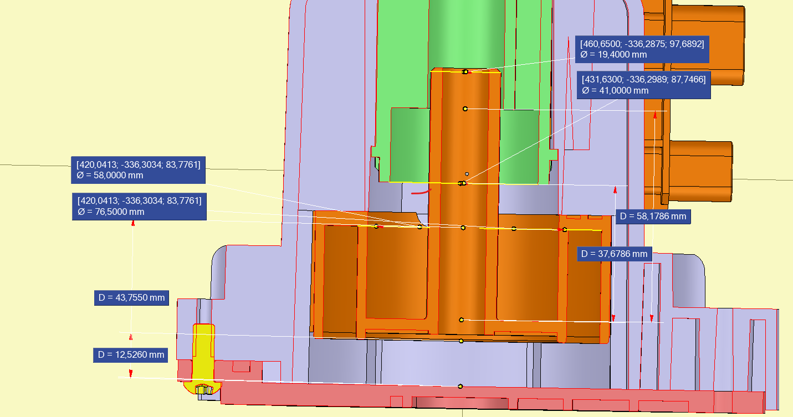
Tabla curva esfuerzos
 | 1 | 2.456476659
 | 32 | 78.607253086

